New Pages
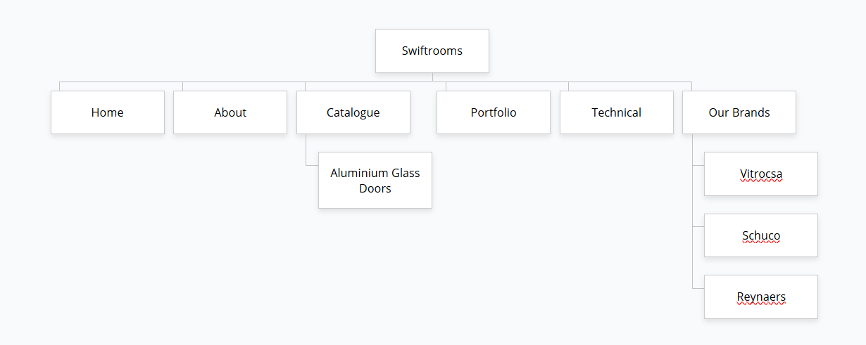
Sr No. | Main Menu | Page Title | Keyword | STATUS
Page 1 | Catalogue (In existing category) | Aluminium Glass Doors | aluminium glass doors | DONE — built and live at /catalogue/aluminium-glass-doors (new category, no invented products per doc).

Page 2 | Shop by Brand (New category) | Vitrocsa | vitrocsa sliding doors | DONE — built and live at /brands/vitrocsa-sliding-doors under new 'Shop By Brand' nav menu.

Page 3 | Shop by Brand | Schuco | schuco aluminium windows | DONE — built and live at /brands/schuco-aluminium-windows under new 'Shop By Brand' nav menu.

Page 4 | Shop by Brand | Reynaers | reynaers aluminium systems | DONE — built and live at /brands/reynaers-aluminium-systems under new 'Shop By Brand' nav menu.

Total no. of Pages: 4 |  |  |  | DONE — all 4 pages built and linked in navigation.

H1
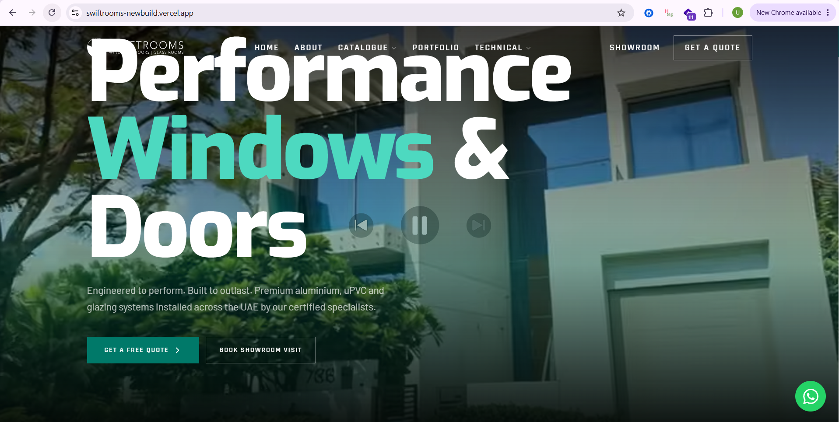
https://swiftrooms-newbuild.vercel.app/ | STATUS
 | DONE — H1-H6 tags implemented and audited against the Word doc's explicit 'Make Hx' comments; heading structure verified to be in correct sequential order for this page.

Change H1 to : Premium Aluminium Doors & Windows in Dubai, UAE

Change to : Engineered to perform. Built to outlast. Premium aluminium doors and windows in Dubai and across the UAE, complemented by high-performance uPVC and glazing systems, installed by our certified specialists.

https://swiftrooms-newbuild.vercel.app/catalogue/curtain-wall | DONE — H1-H6 tags implemented and audited against the Word doc's explicit 'Make Hx' comments; heading structure verified to be in correct sequential order for this page.

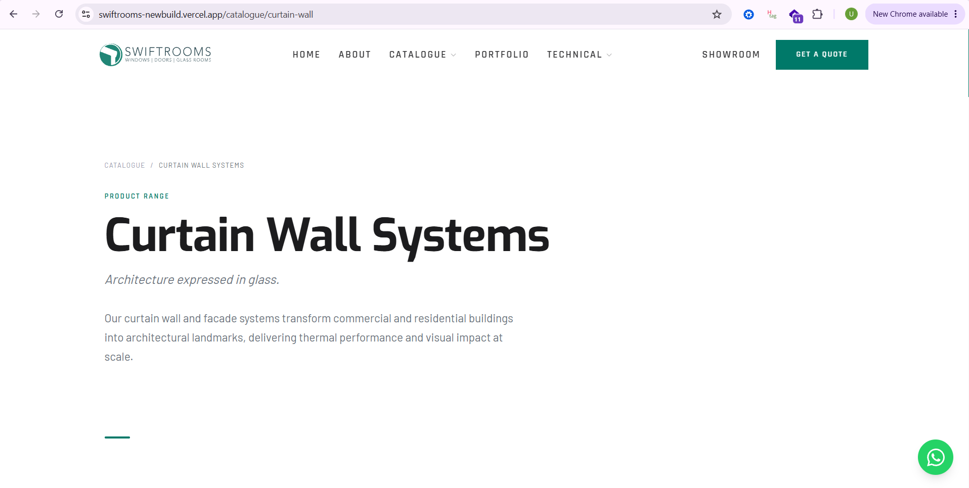

Change H1 to : Aluminum Curtain Wall

https://swiftrooms-newbuild.vercel.app/catalogue/garden-rooms | DONE — H1-H6 tags implemented and audited against the Word doc's explicit 'Make Hx' comments; heading structure verified to be in correct sequential order for this page.

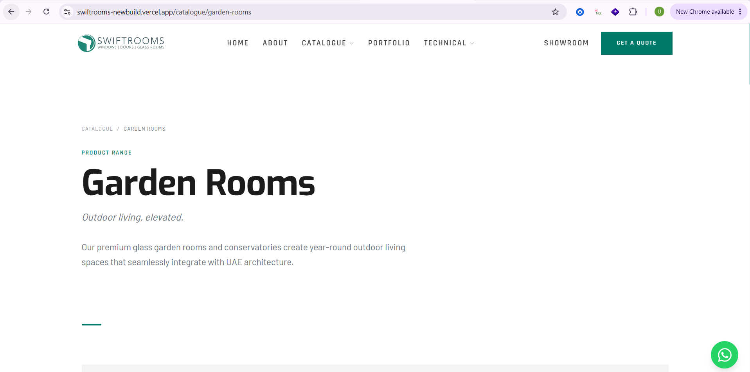

Change H1 to : Garden Rooms Dubai

https://swiftrooms-newbuild.vercel.app/catalogue/aluminium-doors | DONE — H1-H6 tags implemented and audited against the Word doc's explicit 'Make Hx' comments; heading structure verified to be in correct sequential order for this page.

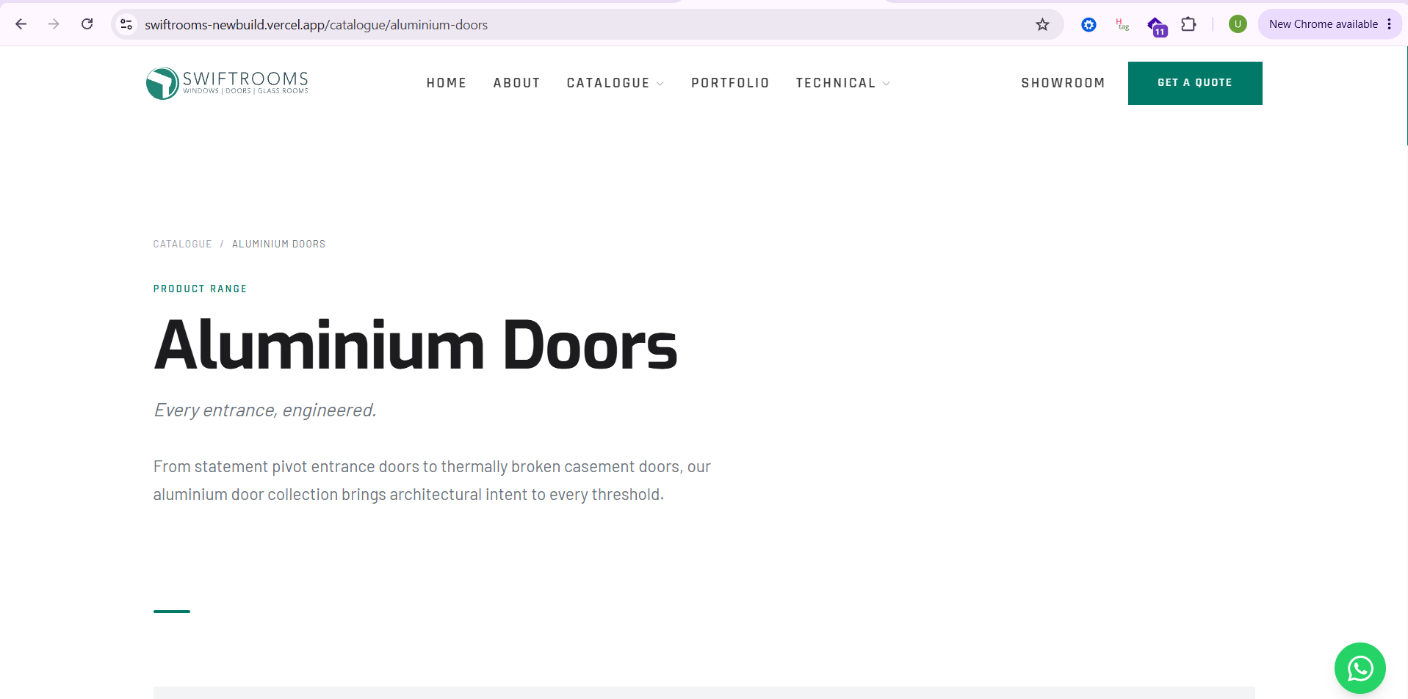

Change H1 to : Aluminium Doors Dubai

https://swiftrooms-newbuild.vercel.app/catalogue/aluminium-windows | DONE — H1-H6 tags implemented and audited against the Word doc's explicit 'Make Hx' comments; heading structure verified to be in correct sequential order for this page.

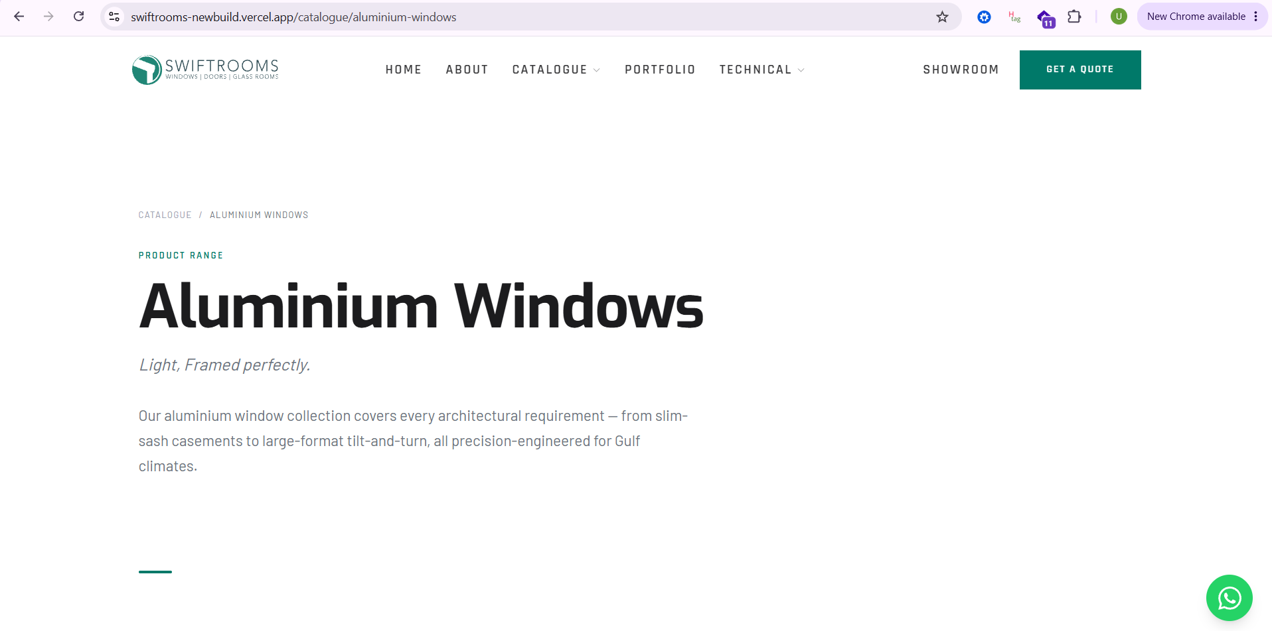

Change H1 to : Aluminium Windows Dubai

Change to : Our aluminium window collection covers every architectural requirement—from aluminium sliding windows and slim-sash casements to large-format tilt-and-turn windows, all precision-engineered for Gulf climates.

https://swiftrooms-newbuild.vercel.app/catalogue/aluminium-sliding-doors | DONE — H1-H6 tags implemented and audited against the Word doc's explicit 'Make Hx' comments; heading structure verified to be in correct sequential order for this page.

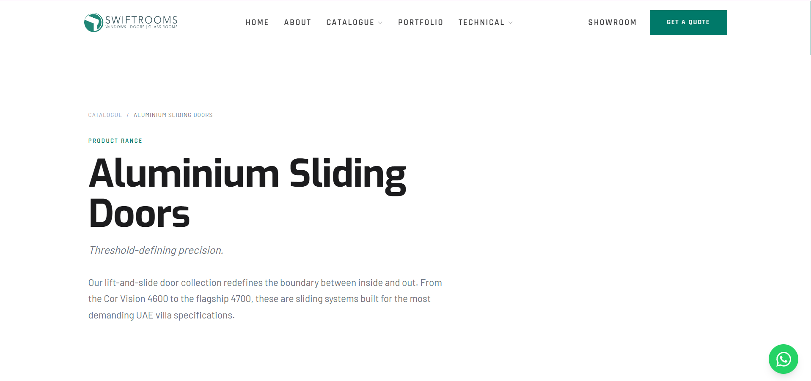

Change to : Our lift-and-slide door collection redefines the boundary between inside and out with slim sliding doors and premium aluminium sliding glass doors. From the Cor Vision 4600 to the flagship 4700, every system is engineered for the most demanding UAE villa specifications.

https://swiftrooms-newbuild.vercel.app/catalogue/upvc | DONE — H1-H6 tags implemented and audited against the Word doc's explicit 'Make Hx' comments; heading structure verified to be in correct sequential order for this page.
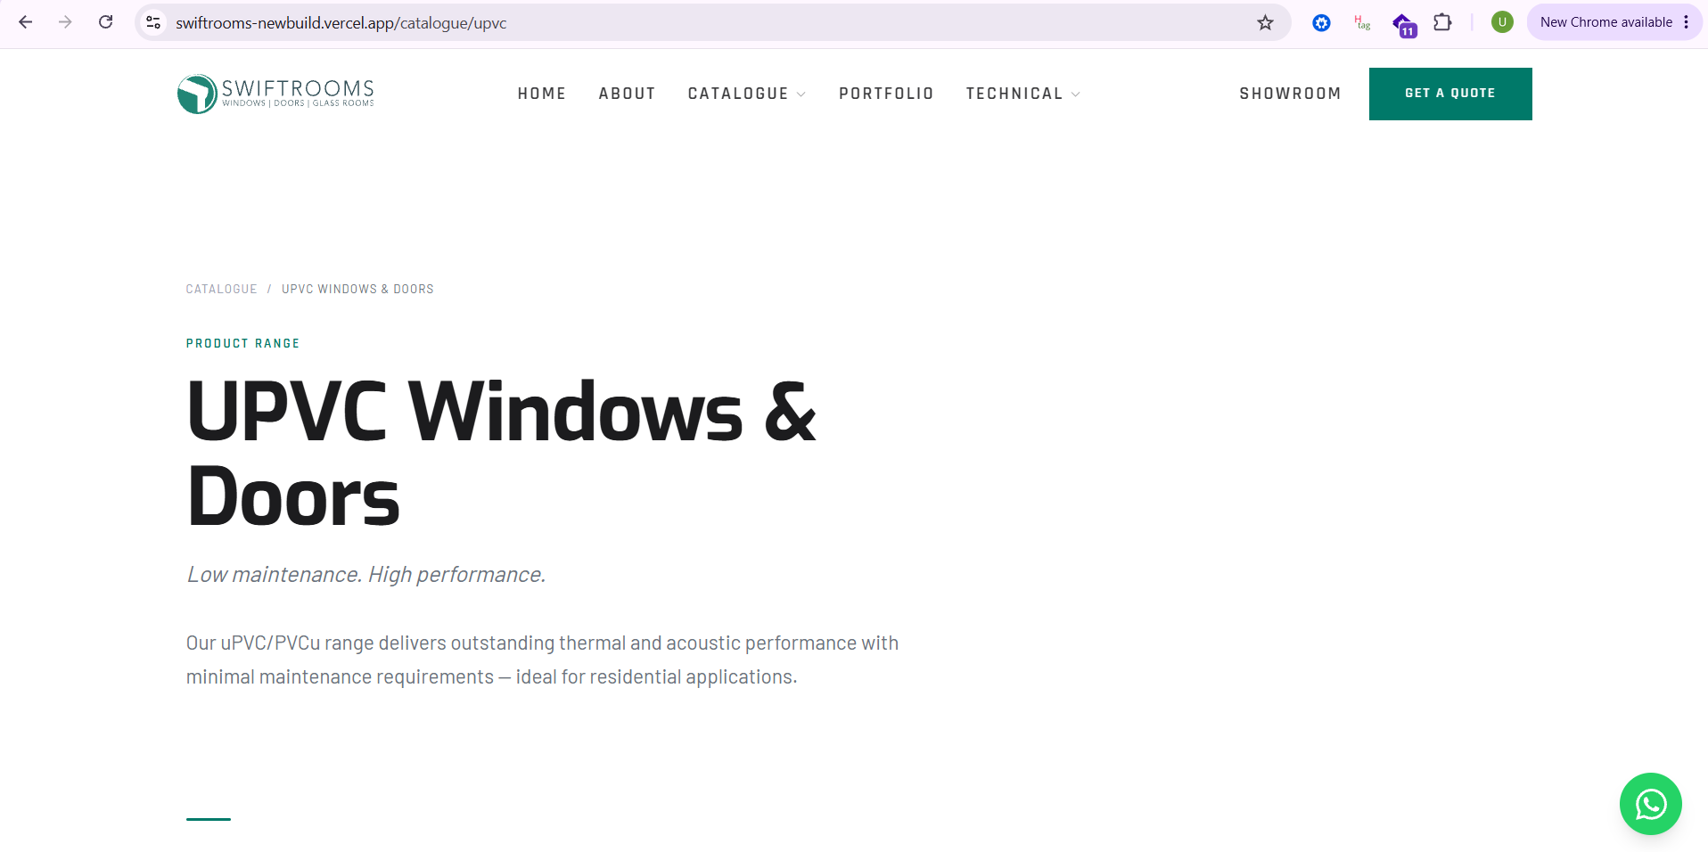

Change H1 to : UPVC Doors and Windows Dubai

Change to : Our uPVC windows and uPVC doors in Dubai deliver outstanding thermal and acoustic performance with minimal maintenance requirements, making them ideal for residential applications across the UAE.

